1. Title Page
[Analysis]

Project Name: Instacart Grocery Basket Analysis
Date: 15.07.2023
Analyst Name: Christine Dietzsch

Contents:
Population Flow
Consistency checks
Wrangling steps
Column derivations
Visualizations
Recommendations

2. Population Flow
Title page

Population flow

Exclusion flag
Condition: max_order < 5
Obervations to be removed: 23 (all in products, incl. outliers)
Final total count of order_products_all: 32399732

Orders_products_combined
Orders_products_merged
Orders_products_all

Total: 32.399.732
Total: 32.434.489
Total: 32.399.732

1.) The grey boxes in the first row of the population flow represent the original data sets as they were when you downloaded them. In the Total fields you need to add the count of the rows when you imported the data set into Jupyter.
2.) The second row of boxes (coloured) represents the data sets after you manipulated them, e.g., removed missing values and duplicates. In the Total fields you need to add the count of the rows after conducting these operations. This offers a visual oveview of how the data flows throughout the data consistency checks.
3.) The third row, where also the arrows are coloured, represents the merges you performed between the datasets. In the Total fields you need to add the count of the rows in the merged datasets, so that you end up with the final dataset (in the red box). Keep in mind the final dataset should be without exclusions (based on the exclusion flag).

3. Consistency checks
 |  |  |  | Title page
Consistency checks

Dataset | Missing values | Missing values treatment | Duplicates
orders | 206209 missing values in 'days_since_prior_order' | analyzed: data is logically correct and thus, not 'missing' | no duplicates

products | 16 NaN in 'product name' | 16 rows deleted | 5 duplicates (deleted)

orders_products_prior | no missing values | - | no duplicates

customers | 11259 missing in 'First Name' | not for missing data, but for data protection deleted the entire column. | no duplicates

departments | no missing values | - | no duplicates

4. Wrangling steps
 |  |  |  |  |  | Title page
Wrangling steps

Dataset | Columns dropped | Columns renamed | Columns' type changed | Other changes | Comment/Reason
orders | eval_set' |  |  |  | not needed > reduce RAM space
orders |  | order_dow' => 'order_day_of_week' |  |  | better understanding
orders |  | days_since_prior_order' => 'days_since_last_order' |  |  | better understanding
orders |  |  | order_id' into string |  | better for analysis / convenience
orders |  |  | user_id' into string |  | better for analysis / convenience
products |  |  | product_id' into string |  | better for analysis / convenience
products |  |  | aisle_id' into string |  | better for analysis / convenience
products |  |  | department_id' into string |  | better for analysis / convenience
products |  |  |  | 2 rows with outlier prices: deleted | Prices were outliers.
orders_products_prior |  |  | product_id' into string |  | better for analysis / convenience
orders_products_prior |  |  | order_id' into string |  | better for analysis / convenience
customers | drop 'First Name' |  |  |  | data privacy
customers | drop 'Surnam' |  |  |  | data privacy
customers |  |  | user_id' into string |  | better for analysis / convenience
customers |  |  | date_joined as datetime |  | better for analysis, if it's a real date-format
departments |  |  |  | transposed the dataframe | to be used as a data dictionary later on.
departments
departments

5. Column derivations
 |  |  |  | Title page

Column derivations and aggregations

In this tab you should add tables below that the frequences of flags/label variables that you produced after deriving them. NB: don't do this for continuous variables, only for flags.
Dataset | New column | Column/s it was derived from | Conditions

orders_products_all | 'price_range_loc' | prices' | prices'> 15 = 'high-range product' 'prices' <= 15 and > 5 = 'high-range product' 'prices' <= 5 = 'low-range product'
orders_products_all | 'busiest_day' | order_day_of_week | order_day_of_week = 0: "Most busy" order_day_of_week = 4: 'Least busy" order_day_of_week = else: "Regularly busy"
orders_products_all | busiest_days' | order_day_of_week | order_day_of_week = 0 or 1: "Most busy" order_day_of_week = 3 or 4: 'Least busy" order_day_of_week = else: "Regularly busy"
orders_products_all | 'busiest_period_of_day' | 'order_hour_of_day' | order_hour_of_day' = (10,11,12,13,14,15,16,17): "Most orders" 'order_hour_of_day' = (7,8,9,18,19,20,21,22): "Average orders" 'order_hour_of_day' = (0,1,2,3,4,5,6,23): "Fewest orders"
orders_products_all | 'max_order' | user_id' and 'order_number' | inserts value of maximum number of orders each customer has made
orders_products_all | 'loyalty_flag' | max_order' | max_order' > 40 = “Loyal customer" 'max_order' > 10 and < 40 = “Regular customer" 'max_order' <=10 = “New customer"
orders_products_all | 'frequency_type' | 'mean_days_since_last_order' | mean_days_since_last_order' > 20: “Non-frequent customer” 'mean_days_since_last_order' > 10 AND <=20: “Regular customer” 'mean_days_since_last_order' <=10: “Frequent customer”
orders_products_all | 'spender_type' | 'mean_prices' | mean_prices' < 10: 'low spender' 'mean_prices' >=10: 'high spender'
orders_products_all | 'region' | "State" | "midwest"
orders_products_all |  |  | "northeast"
orders_products_all |  |  | "south"
orders_products_all |  |  | "west"
orders_products_all |  |  | source: https://simple.wikipedia.org/wiki/List_of_regions_of_the_United_States)
orders_products_all | Age_group' | 'Age' | Age' < 20 : '<20 years' Age' >= 20 and < 30 : '20-29 years')' Age' >= 30 and < 40 : '30-39 years')' Age' >= 40 and < 50 : '40-49 years')' Age' >= 50 and < 60 : '50-59 years')' Age' >= 60 and < 70 : '60-69 years')' Age' >= 70 and < 80 : '70-79 years')' Age' > 80 : '80+ years'
orders_products_all | income_category' | 'income' | percentiles, since normal distribution: income' <= 25903: lower' income' > 25903 and <= 66996: 'lower-middle' income' > 66996 and <= 96608: 'upper-middle' income' >96608: 'upper'
orders_products_all | 'meat_or_veg' | 'department_id' | department_id' = 12 > 'meat_purchaser' 'department_id' NOT 12 > 'not_meat_purchaser'
orders_products_all | 'exclusion_flag_low_activity' | 'max_order' | max_order' < 5 : 'exclude_low_activity_customer' 'max_order' >= 5 : 'include_high_activity_customer'

6. Visualizations
 |  |  |  |  |  | Title page

Visualisations

In this tab you should include all the visualtions from Exercises 4.9 and 4.10, alongside the questions from the project brief that they answer. Include any commentary on the relationship between different variables.

Key Questions of Sales Team are:

Sales: 1) What are the busiest days of the week


 |  |  | The busiest day is Sunday, followed closely by Monday. The least busiest day is Thursday.

Sales: 2) What are the busiest hours of the day

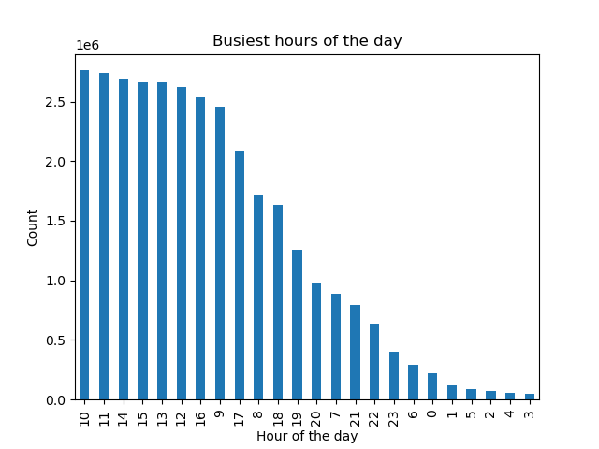

 |  |  | There are consecutive hours of the day, where there are a lot of orders. To simplifiy this, in script 03 has been created a new column with the following results:

 |  |  | busiest periods of hours would be, starting at midnight:
 |  |  | 0 - 6: Fewest orders
 |  |  | 7 - 9: Average orders
 |  |  | 10 - 17: Most orders
 |  |  | 18 - 22: Average orders
 |  |  | 23: Fewest orders

 |  |  | category | # observations
 |  |  | Most orders | 20,748,164
 |  |  | Average orders | 10,362,617
 |  |  | Fewest orders | 1,288,951

Sales: 3) times of the day, when people spend more money than at other times
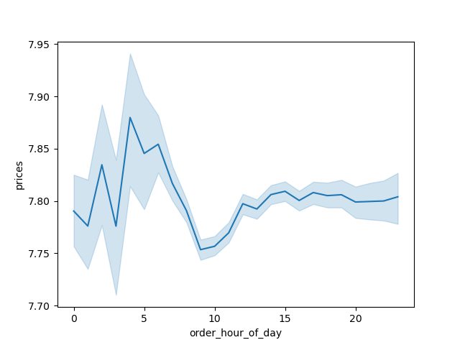
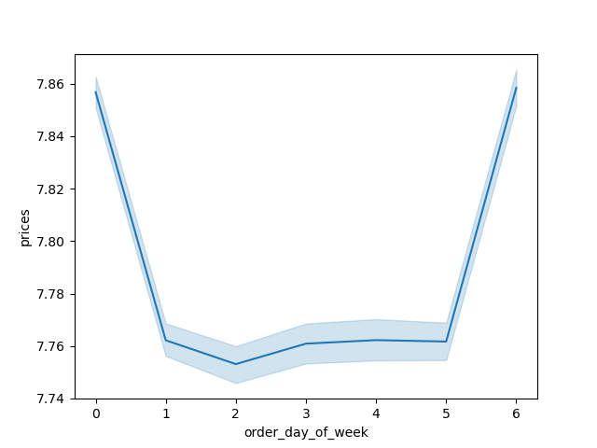

 |  |  | To the left: Customers are spending more money before and after noon: mostly between 10 am and 4 pm.

 |  |  | To the right: However, not all weekdays are the same. On Sundays and Saturdays expenditure is higher; during the week it's lower.

Sales: 4) Create simpler price range groups to reduce complexity of data

Since prices is very sensitive variable, some checks on distribution came first.
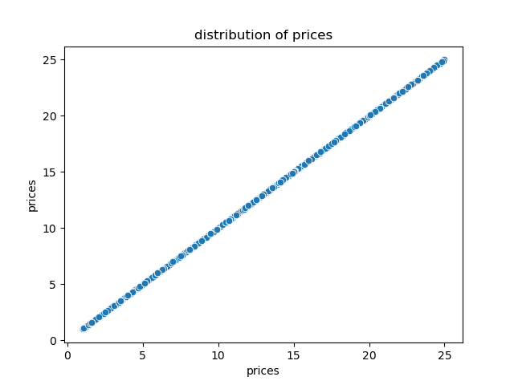
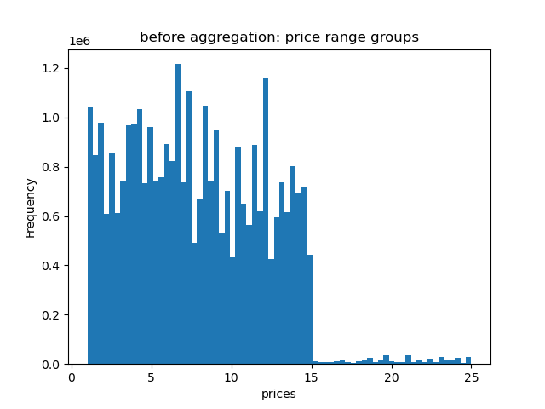

 |  |  | there is an even distribution of prices, since outliers have been removed as part of the data checks

Sales: 4) Create simpler price range groups to reduce complexity of data

 | scatterplot and histogram

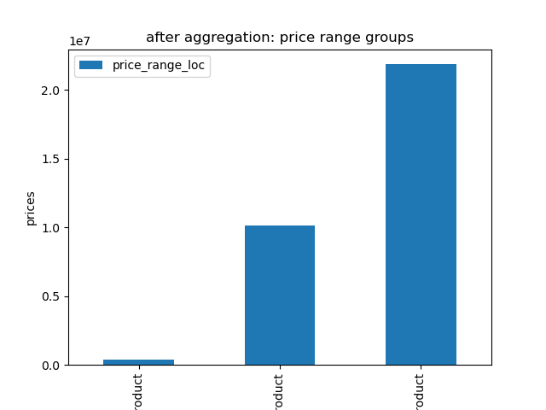
 |  |  | the histogram repeats the frequency: low range prices are like one third, mid-range product is the biggest part (like two thirds),
 |  |  | and high ranged products are very rare.

 |  |  | price > 15 = 'high-range product'
 |  |  | price <= 15 and > 5 = 'high-range product'
 |  |  | price <= 5 = 'low-range product'

Sales: 5) Most popular products, judging by high frequency of product orders
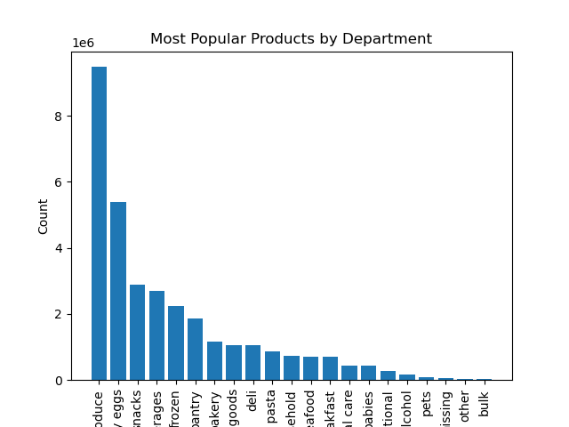

 |  |  | Most popular goods are produce (like bananas and other fruit), dairy and eggs and snacks. Least popular are 'bulk'.

Key Questions of Marketing Team are:

Marketing: 1) What’s the distribution among users in regards to their brand loyalty ((i.e., how often do they return to Instacart)?

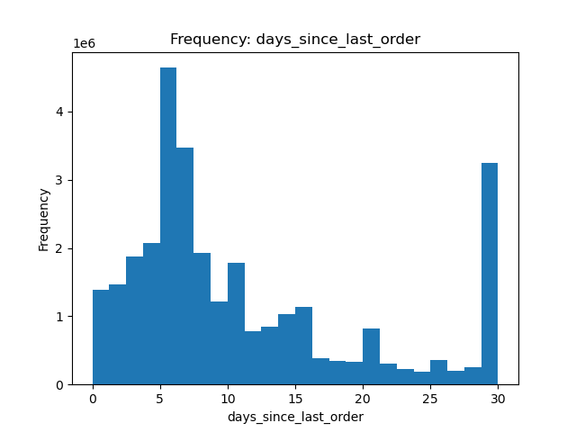
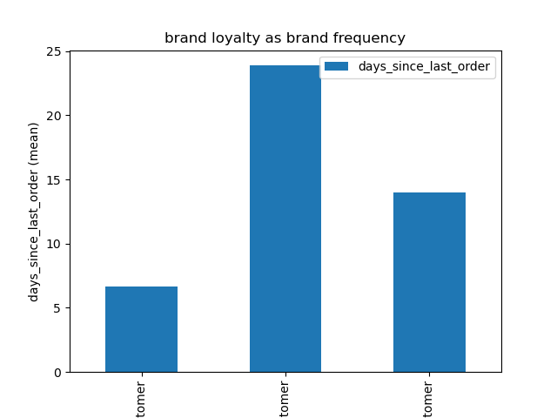

 |  |  | Overall, users return every 11 days to Instacart.

 |  |  | To better check on different profiles, I created a brand loyalty flag, based on 'days_since_last_order':
 |  |  | If mean ('days_since_last_order') > 20, then the customer will be labeled a “Non-frequent customer”
 |  |  | If mean ('days_since_last_order') > 10 AND <=20 , then the customer will be labeled a “Regular customer”
 |  |  | If mean ('days_since_last_order') <=10, then the customer will be labeled a “Frequent customer”

 |  |  |  |  | Average days since last order
 |  |  | Frequent customer |  | 6.7
 |  |  | Regular customer |  | 14.0
 |  |  | Non-frequent customer |  | 23.9

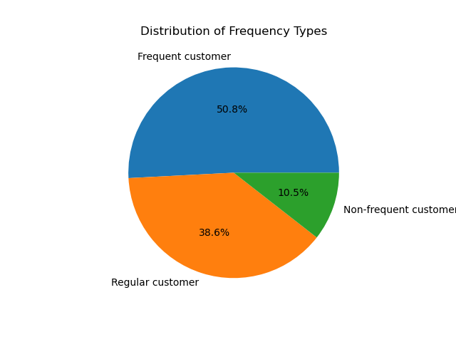

Marketing: 2) Are there differences in ordering habits based on a customer’s loyalty status?
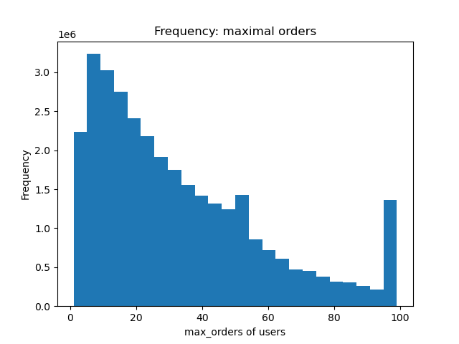
 |  |  | Yes - since the loyalty flag is derived from ordering habits.
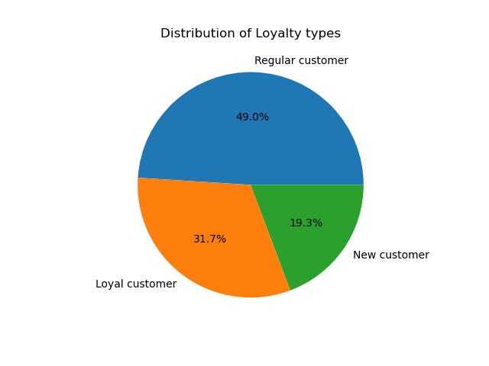
 |  |  | To better check on different profiles, I created a brand loyalty flag, based on 'max_order' (which is based on 'order_number')
 |  |  | If max orders the user has made is over 40, then the customer will be labeled a “Loyal customer.”
 |  |  | If max orders the user has made is over 10 but less than or equal to 40, then the customer will be labeled a “Regular customer.”
 |  |  | If max orders the user has made is less than or equal to 10, then the customer will be labeled a “New customer.”

 |  |  |  |  | max_order (mean)
 |  |  | Loyal customer |  | 64.0
 |  |  | Regular customer |  | 6.6
 |  |  | New customer |  | 23.4 | regarding the new customer: I made a separate dataframe excluding users < 5 orders,
 |  |  |  |  |  | bute here they are still included.

Marketing: 3) Are there differences in ordering habits based on a customer’s region?
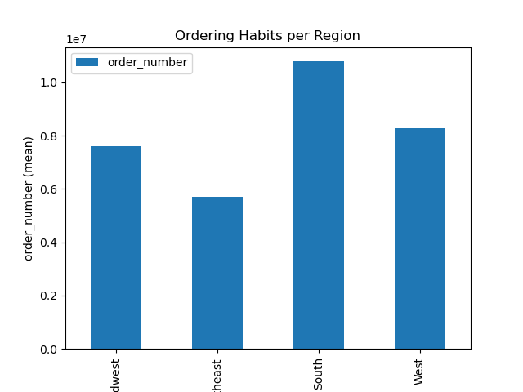

 |  |  | Yes - there are differences in ordering habits:

 |  |  |  |  | order_number
 |  |  | Midwest |  | 7,596,065 | 23%
 |  |  | Northeast |  | 5,721,892 | 18%
 |  |  | South |  | 10,790,096 | 33%
 |  |  | West |  | 8,291,679 | 26%

 |  |  | Please note:
 |  |  | In the script, there are more numbers to see if regions differ in distribution of customery loyalty, spender type (= high spenders vs low spenders)
 |  |  | or frequency type.
 |  |  | Conslusion: There are no evident differences per region on thos numbers. There might be local preferences in (local) products, but this is not analyzed
 |  |  | here, as the regions are very large. Local preferences in products are expected to be based more on a city or a disctrict.

Marketing: 4) Is there a connection between age and family status in terms of ordering habits?
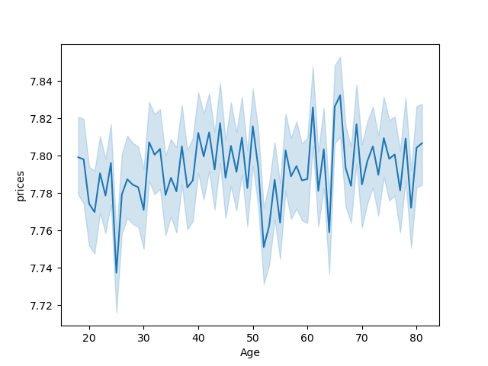
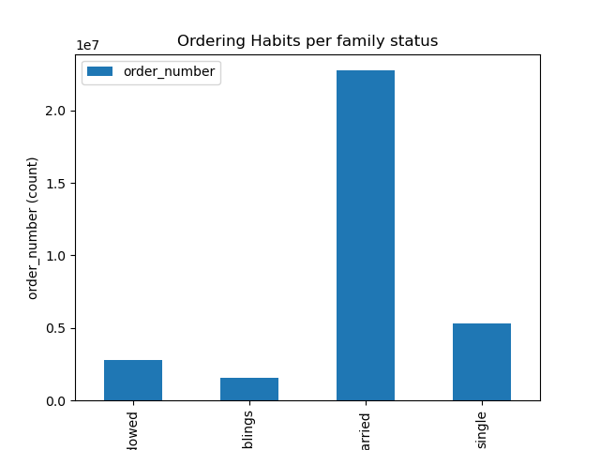

 |  |  | To the left: There is no apparent connection between age and spending habits.

 |  |  | To the right: Married has the highest amount spent, living with parents and siblings (that is, teenager), spend the least. As for income, divorced/widowed outrank married
 |  |  | people. The amount of shopping is hieghest with married people and lowest with those, who live with them ( living with parents and siblings). So, there is a definite
 |  |  | connection between familiy status and spending habits. If there are customer profiles to be made, family status is important to consider.

 |  |  | Side note: There is, of course, a connection between age and family status, since with growing age people marry and get divorced/ widowed only after that.
 |  |  | This being so intuitive, I didn't invest any more RAM on another visual.

 |  |  | fam_status |  | Age
 |  |  | living with parents and siblings |  | 20
 |  |  | single |  | 39
 |  |  | married |  | 52
 |  |  | divorced/widowed |  | 71

Marketing: 5) What different classifications does the demographic information suggest? Age? Income? Certain types of goods? Family status?


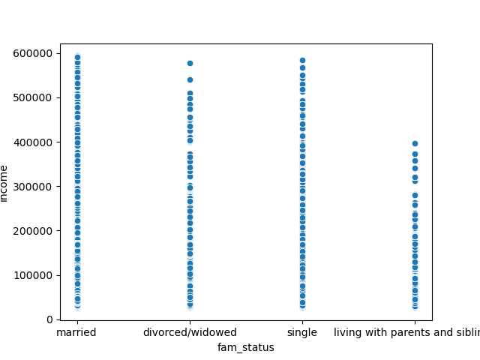

 |  |  | To check on possible classifications, we have get a better picture of the data - in addition what has been checked before.

 |  |  | To the left: There is a definite jump in income at about 40 years of age, when spending power rises to a customer group between 200k and
 |  |  | 300k and above them individuals with income up to 600k. This pattern covers people 40 years of age up to 80 years of age.

 |  |  | To the right: There are some differences in income distribution between the fam_status groups, which are very logic: living with parents and siblings have very little income in
 |  |  | comparison with married people.

 |  |  | To the lower left: Age vs n_dependants: there is no direct correlation visible. People 20 years of age can have a similar high, or low, number of dependants like people 80 years
 |  |  | of age.

 |  |  | As seen above, age is not a stand-alone variable, when it comes to depending variables in spending behavior. The more relevant variables are familiy status
 |  |  | (different classifications are already in the dataframe, and income are more important to build customer profiles.¶

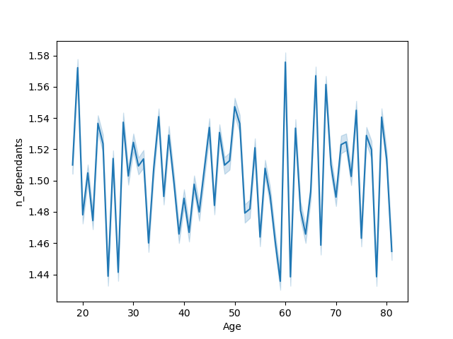
 |  |  | Generally speaking, there are several possible customer profiles, based on certain variables. For example:
 |  |  | age-based (children, adults, seniors - or other groups like 10-year steps)
 |  |  | family-status based (fine like in the current dataframe)
 |  |  | income-based (low income, medium, high income, or more statistic approach like in quantiles)
 |  |  | product-based (e.g. vegetarians, meatlovers, organic food buyers, etc.)

Marketing: 6) What differences exist in ordering habits of different customer profiles? Considering the price of orders, the frequency of orders, the products customers are ordering, etc.

 | A more accurate customer profiling is done in the final investigation.

Final investigation

1) exclusion flag for low-activity customers (< 5 orders) and exclude them from the data. export this sample.¶

 | See the notebook.

2) customer profiling variable based on age, income, certain goods in the “department_id” column, and number of dependents.

profiling on age
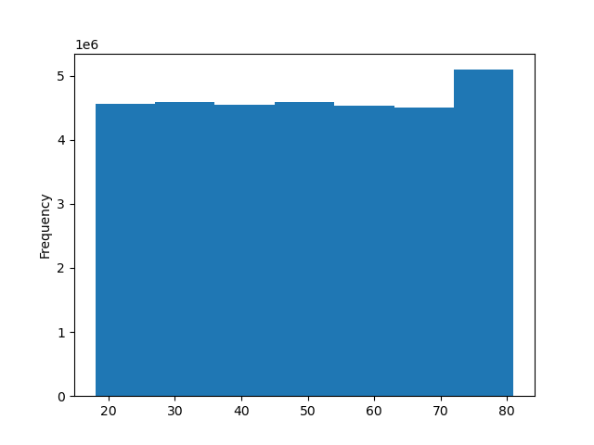
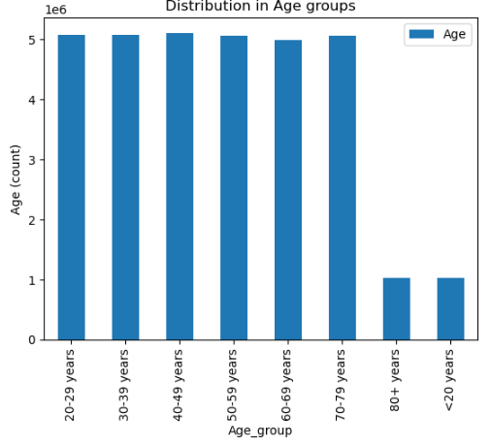

 |  |  |  | Age: I decided to group age in 10-year-steps, as this is most convenient.

profiling on income:
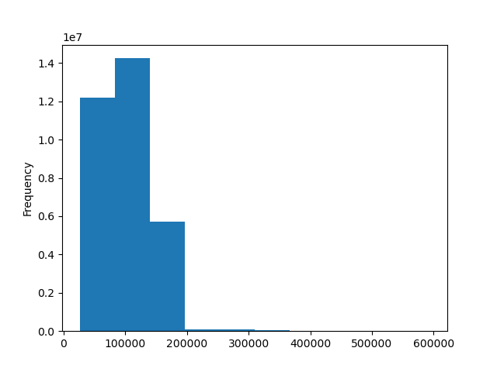
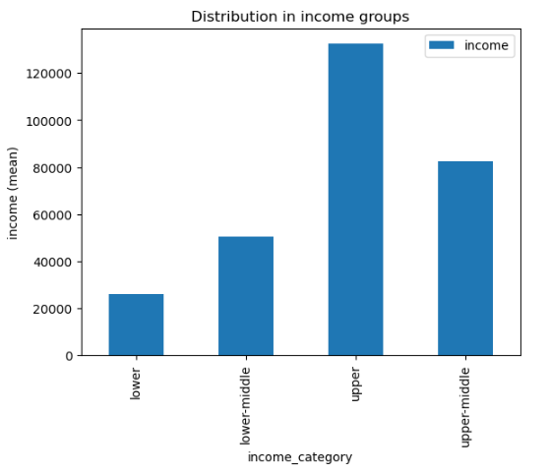
 |  |  |  | Income: this is a normal distribution, so I decided to split in quartiles.

 |  |  |  | Minimum | Maximum | Mean | Meadian
 |  |  |  | 25,903.00 | 593,901.00 | 99,416.85 | 96,608.00

profiling on meat-purchaser vs. non-meat-purchaser

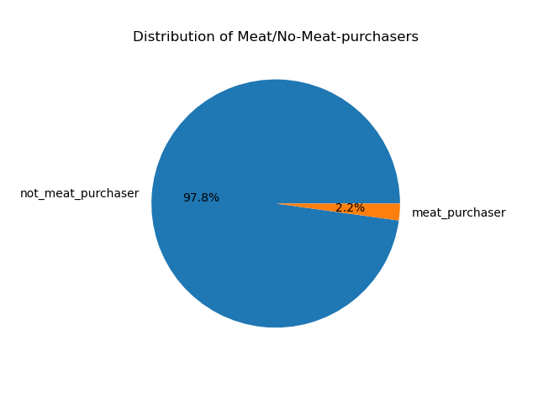
 |  |  |  | Since there are many options to divide customers per departments, I went for meat/non-meat.
 |  |  |  | The Pie indicates, that meat is not an often bought product, at least not with instacart.

profiling on number of dependants:

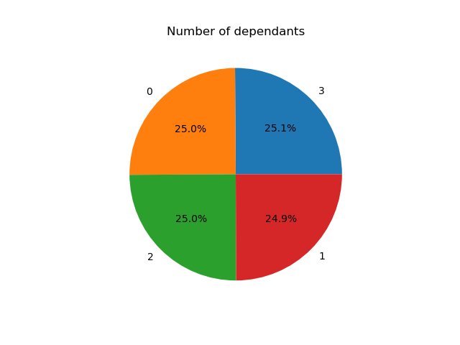
 |  |  |  | There are only 0 - 3 dependants.
 |  |  |  | There is no need to further aggregate

3) Aggregate the max, mean, and min variables on a customer-profile level for usage frequency and expenditure.

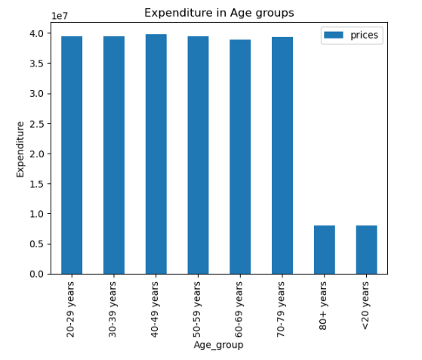
 |  |  |  | age groups spend pretty evenly, apart from the not so frequent <20 years and 80+.

 |  |  |  |  | prices | prices | prices | prices | days_since_last_order | days_since_last_order | days_since_last_order
 |  |  |  | Age_group | sum | mean | min | max | mean | min | max
 |  |  |  | 20-29 years | 39433217.1 | 7.8 | 1 | 25 | 11.1 | 0 | 30
 |  |  |  | 30-39 years | 39512952 | 7.8 | 1 | 25 | 11.1 | 0 | 30
 |  |  |  | 40-49 years | 39840945.9 | 7.8 | 1 | 25 | 11.1 | 0 | 30
 |  |  |  | 50-59 years | 39417627.1 | 7.8 | 1 | 25 | 11.1 | 0 | 30
 |  |  |  | 60-69 years | 38891551 | 7.8 | 1 | 25 | 11.1 | 0 | 30
 |  |  |  | 70-79 years | 39374984.8 | 7.8 | 1 | 25 | 11.1 | 0 | 30
 |  |  |  | 80+ years | 7992716.4 | 7.8 | 1 | 25 | 11.1 | 0 | 30
 |  |  |  | <20 years | 7962126.3 | 7.8 | 1 | 25 | 11.1 | 0 | 30

 |  |  |  | Age-groups | Frequent customer | Non-frequent customer | Regular customer
 |  |  |  | 20-29 years | 2,570,183 | 529,934 | 1,969,360
 |  |  |  | 30-39 years | 2,567,925 | 531,856 | 1,973,238
 |  |  |  | 40-49 years | 2,597,088 | 548,311 | 1,962,962
 |  |  |  | 50-59 years | 2,575,494 | 528,171 | 1,959,729
 |  |  |  | 60-69 years | 2,548,840 | 533,318 | 1,904,356
 |  |  |  | 70-79 years | 2,574,711 | 524,448 | 1,955,459
 |  |  |  | 80+ years | 521,045 | 110,747 | 392,600
 |  |  |  | <20 years | 509,668 | 107,831 | 402,453

 |  |  |  |  | Frequent customer | Non-frequent customer | Regular customer
 |  |  |  | 20-29 years | 8% | 2% | 6%
 |  |  |  | 30-39 years | 8% | 2% | 6%
 |  |  |  | 40-49 years | 8% | 2% | 6%
 |  |  |  | 50-59 years | 8% | 2% | 6%
 |  |  |  | 60-69 years | 8% | 2% | 6%
 |  |  |  | 70-79 years | 8% | 2% | 6%
 |  |  |  | 80+ years | 2% | 0% | 1%
 |  |  |  | <20 years | 2% | 0% | 1%

 |  |  |  | even age-group shares in 'frequent customer'. That again shows, that profiling on age is not necessary.

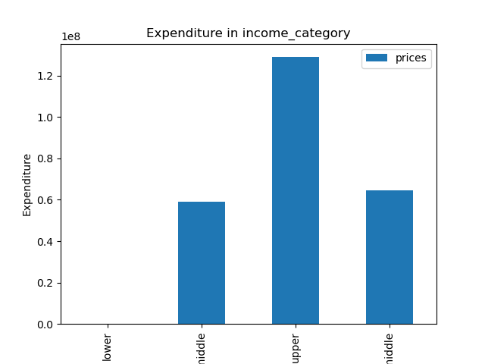

 |  |  |  | Upper income spends the most money; lower middle and upper middle are about the same. Last is lower income group.
 |  |  |  | lower income has a lower frequency, they order on average every 19 days instead of every 11 days like the general average

 |  |  |  |  | prices | prices | prices | prices | days_since_last_order | days_since_last_order | days_since_last_order
 |  |  |  |  | sum | mean | min | max | mean | min | max
 |  |  |  | lower | 68 | 3.4 | 1.2 | 7.4 | 19.1 | 11 | 30
 |  |  |  | lower-middle | 59,000,891 | 7.3 | 1.0 | 25.0 | 11.3 | 0 | 30
 |  |  |  | upper | 128,967,273 | 8.0 | 1.0 | 25.0 | 11 | 0 | 30
 |  |  |  | upper-middle | 64,457,890 | 8.0 | 1.0 | 25.0 | 11 | 0 | 30

 |  |  |  |  | Frequent customer | Non-frequent customer | Regular customer
 |  |  |  | lower | 0 | 0 | 20
 |  |  |  | lower-middle | 4,050,774 | 963,565 | 3,085,673
 |  |  |  | upper | 8,264,545 | 1,643,524 | 6,291,276
 |  |  |  | upper-middle | 4,149,635 | 807,527 | 3,143,188

 |  |  |  |  | Frequent customer | Non-frequent customer | Regular customer
 |  |  |  | lower | 0% | 0% | 0%
 |  |  |  | lower-middle | 13% | 3% | 10%
 |  |  |  | upper | 26% | 5% | 19%
 |  |  |  | upper-middle | 13% | 2% | 10%

 |  |  |  | upper income have a higher frequency.

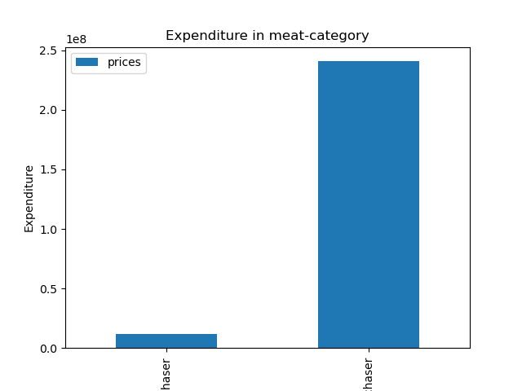

 |  |  |  | Since meat is bought comparatively seldom, no further insights on that here. There is a light difference in distribution of frequency, though:
 |  |  |  | The group of not_meat_purchaser is bigger among the frequent customers.

 |  |  |  |  | prices | prices | prices | prices | days_since_last_order | days_since_last_order | days_since_last_order
 |  |  |  |  | sum | mean | min | max | mean | min | max
 |  |  |  | meat_purchaser | 11,551,570 | 16.3 | 8.0 | 25.0 | 11.4 | 0 | 30
 |  |  |  | not_meat_purchaser | 240,874,550 | 7.6 | 1.0 | 25.0 | 11.1 | 0 | 30

 |  |  |  |  | Frequent customer | Non-frequent customer | Regular customer
 |  |  |  | meat_purchaser | 338,526 | 79,140 | 291,261
 |  |  |  | not_meat_purchaser | 16,126,428 | 3,335,476 | 12,228,896

 |  |  |  |  | Frequent customer | Non-frequent customer | Regular customer
 |  |  |  | meat_purchaser | 1% | 0% | 1%
 |  |  |  | not_meat_purchaser | 50% | 10% | 38%

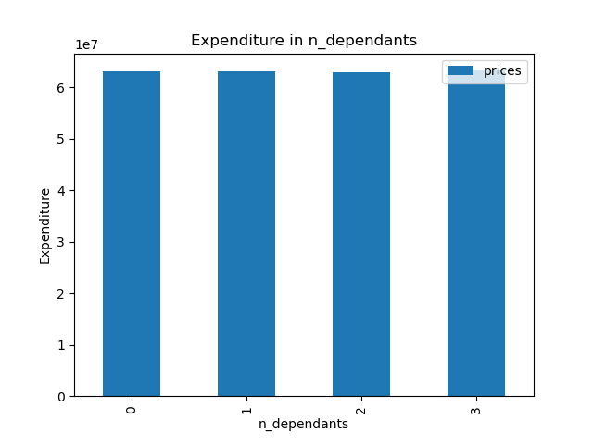

 |  |  |  | Unexpectedly, there is no difference in expenditure regarding number of dependants.
 |  |  |  | Since it is not specified, what number of dependants are children, there might be dependants doing their own shopping, so that in sum there is no
 |  |  |  | difference.

 |  |  |  |  | prices | prices | prices | prices | days_since_last_order | days_since_last_order | days_since_last_order
 |  |  |  | n_dependants | sum | mean | min | max | mean | min | max
 |  |  |  | 0 | 63,069,776 | 7.8 | 1.0 | 25.0 | 11.1 | 0 | 30
 |  |  |  | 1 | 62,990,160 | 7.8 | 1.0 | 25.0 | 11.1 | 0 | 30
 |  |  |  | 1 | 62,974,136 | 7.8 | 1.0 | 25.0 | 11.1 | 0 | 30
 |  |  |  | 1 | 63,392,048 | 7.8 | 1.0 | 25.0 | 11.1 | 0 | 30

 |  |  |  | n_dependants | Frequent customer | Non-frequent customer | Regular customer
 |  |  |  | 0 | 4106778 | 843981 | 3145516
 |  |  |  | 1 | 4134056 | 860529 | 3085296
 |  |  |  | 2 | 4094852 | 857966 | 3136931
 |  |  |  | 3 | 4129268 | 852140 | 3152414

 |  |  |  | n_dependants | Frequent customer | Non-frequent customer | Regular customer
 |  |  |  | 0 | 13% | 3% | 10%
 |  |  |  | 1 | 13% | 3% | 10%
 |  |  |  | 2 | 13% | 3% | 10%
 |  |  |  | 3 | 13% | 3% | 10%

4) Compare your customer profiles with regions and departments. Is there a link?

 |  |  |  | Before conducting the analysis:
 | income and region |  |  | Age is not a stand alone variable, number of dependants and meat/non-meat don't make a difference for the analysis (how much money is spent) as well.
 |  |  |  | The more interesting variable is income, as it has an effect on how much is purchased > I will focus on income groups.

 |  |  |  | region | income_category | (Counts) | % in region | % overall
 |  |  |  | Midwest | upper | 3,862,123 | 51% | 12%
 |  |  |  |  | lower-middle | 1,875,870 | 25% | 6%
 |  |  |  |  | upper-middle | 1,858,052 | 24% | 6%
 |  |  |  |  | lower | 20 | 0% | 0%
 |  |  |  | Northeast | upper | 2,872,507 | 50% | 9%
 |  |  |  |  | lower-middle | 1,428,924 | 25% | 4%
 |  |  |  |  | upper-middle | 1,420,461 | 25% | 4%
 |  |  |  | South | upper | 5,315,767 | 49% | 16%
 |  |  |  |  | upper-middle | 2,758,535 | 26% | 9%
 |  |  |  |  | lower-middle | 2,715,794 | 25% | 8%
 |  |  |  | West | upper | 4,148,953 | 50% | 13%
 |  |  |  |  | lower-middle | 2,079,424 | 25% | 6%
 |  |  |  |  | upper-middle | 2,063,302 | 25% | 6%

 |  |  |  | Conclusion:
 |  |  |  | There is no difference in income distribution within the regions. Upper income groups are about 50%.
 |  |  |  | The highest overall percentage of upper income group is, however, in the Southern region.

 | income and department
 |  |  |  | income_category | department_id | department | counts | % in group | % overall
 | data dict: |  |  | lower | 7 | beverages | 10 | 50% | 0%
 | department_id | department |  |  | 15 | canned goods | 5 | 25% | 0%
 | 1 | frozen |  |  | 3 | bakery | 2 | 10% | 0%
 | 2 | other |  |  | 1 | frozen | 1 | 5% | 0%
 | 3 | bakery |  |  | 13 | pantry | 1 | 5% | 0%
 | 4 | produce |  |  | 4 | produce | 1 | 5% | 0%
 | 5 | alcohol |  | lower-middle | 4 | produce | 2213496 | 27% | 7%
 | 6 | international |  |  | 16 | dairy eggs | 1280220 | 16% | 4%
 | 7 | beverages |  |  | 19 | snacks | 1003266 | 12% | 3%
 | 8 | pets |  |  | 7 | beverages | 776444 | 10% | 2%
 | 9 | dry goods pasta |  |  | 1 | frozen | 539695 | 7% | 2%
 | 10 | bulk |  |  | 13 | pantry | 439715 | 5% | 1%
 | 11 | personal care |  |  | 3 | bakery | 277130 | 3% | 1%
 | 12 | meat seafood |  |  | 20 | deli | 259756 | 3% | 1%
 | 13 | pantry |  |  | 15 | canned goods | 235623 | 3% | 1%
 | 14 | breakfast |  |  | 14 | breakfast | 196516 | 2% | 1%
 | 15 | canned goods |  |  | 17 | household | 194532 | 2% | 1%
 | 16 | dairy eggs |  |  | 9 | dry goods pasta | 190296 | 2% | 1%
 | 17 | household |  |  | 12 | meat seafood | 133395 | 2% | 0%
 | 18 | babies |  |  | 11 | personal care | 114168 | 1% | 0%
 | 19 | snacks |  |  | 18 | babies | 86387 | 1% | 0%
 | 20 | deli |  |  | 6 | international | 60903 | 1% | 0%
 | 21 | missing |  |  | 5 | alcohol | 39747 | 0% | 0%
 |  |  |  |  | 8 | pets | 22900 | 0% | 0%
 |  |  |  |  | 21 | missing | 17070 | 0% | 0%
 |  |  |  |  | 10 | bulk | 9688 | 0% | 0%
 |  |  |  |  | 2 | other | 9065 | 0% | 0%
 |  |  |  | upper | 4 | produce | 4828633 | 30% | 15%
 |  |  |  |  | 16 | dairy eggs | 2737379 | 17% | 8%
 |  |  |  |  | 7 | beverages | 1282212 | 8% | 4%
 |  |  |  |  | 19 | snacks | 1253209 | 8% | 4%
 |  |  |  |  | 1 | frozen | 1130363 | 7% | 3%
 |  |  |  |  | 13 | pantry | 961768 | 6% | 3%
 |  |  |  |  | 3 | bakery | 600758 | 4% | 2%
 |  |  |  |  | 15 | canned goods | 556674 | 3% | 2%
 |  |  |  |  | 20 | deli | 527426 | 3% | 2%
 |  |  |  |  | 9 | dry goods pasta | 450902 | 3% | 1%
 |  |  |  |  | 12 | meat seafood | 384661 | 2% | 1%
 |  |  |  |  | 17 | household | 365520 | 2% | 1%
 |  |  |  |  | 14 | breakfast | 339047 | 2% | 1%
 |  |  |  |  | 11 | personal care | 222106 | 1% | 1%
 |  |  |  |  | 18 | babies | 222023 | 1% | 1%
 |  |  |  |  | 6 | international | 137965 | 1% | 0%
 |  |  |  |  | 5 | alcohol | 78733 | 0% | 0%
 |  |  |  |  | 8 | pets | 51430 | 0% | 0%
 |  |  |  |  | 21 | missing | 34268 | 0% | 0%
 |  |  |  |  | 2 | other | 18177 | 0% | 0%
 |  |  |  |  | 10 | bulk | 16096 | 0% | 0%
 |  |  |  | upper-middle | 4 | produce | 2437161 | 30% | 8%
 |  |  |  |  | 16 | dairy eggs | 1376021 | 17% | 4%
 |  |  |  |  | 19 | snacks | 631075 | 8% | 2%
 |  |  |  |  | 7 | beverages | 629457 | 8% | 2%
 |  |  |  |  | 1 | frozen | 564684 | 7% | 2%
 |  |  |  |  | 13 | pantry | 473885 | 6% | 1%
 |  |  |  |  | 3 | bakery | 294538 | 4% | 1%
 |  |  |  |  | 15 | canned goods | 275756 | 3% | 1%
 |  |  |  |  | 20 | deli | 264067 | 3% | 1%
 |  |  |  |  | 9 | dry goods pasta | 225429 | 3% | 1%
 |  |  |  |  | 12 | meat seafood | 190871 | 2% | 1%
 |  |  |  |  | 17 | household | 178614 | 2% | 1%
 |  |  |  |  | 14 | breakfast | 167470 | 2% | 1%
 |  |  |  |  | 18 | babies | 115392 | 1% | 0%
 |  |  |  |  | 11 | personal care | 111298 | 1% | 0%
 |  |  |  |  | 6 | international | 70385 | 1% | 0%
 |  |  |  |  | 5 | alcohol | 35216 | 0% | 0%
 |  |  |  |  | 8 | pets | 23386 | 0% | 0%
 |  |  |  |  | 21 | missing | 17807 | 0% | 0%
 |  |  |  |  | 2 | other | 9049 | 0% | 0%
 |  |  |  |  | 10 | bulk | 8789 | 0% | 0%

 |  |  |  | Conclusion
 |  |  |  | Lower income differs from the otherwise very homogenic rest.
 |  |  |  | Apparently, lower income groups prefer cheap and not so healthy stuff.
 |  |  |  | The other groups buy produce (like fruits) and dairy + eggs.
 |  |  |  | But lower income groups are not a large buyer group at instacart, so there will be no marketing recommendations to push that customer group.

7. Recommendations
 |  |  | Title page

Recommendations

In this tab you should include any recommendations you would made to Instcart in terms of their marketing strategy based on the questions posed in the brief. Every key question has been covered in the Tasks of the Exercises - here you need to add an item - a visualisation or table/crosstable that is showing the answer in the data, acompanied by a comment from you. Please, list the questions below and add the answer underneath.

Question | Answer | Reccomendation
Sales: 1) What are the busiest days of the week | The busiest day is Sunday, followed closely by Monday. The least busiest day is Thursday. | Advertisement should be placed the days before that and on the busiest days.
Sales: 2) What are the busiest hours of the day | The busiest hours of the day are 10 - 17 o'clock: they got most orders | support and server capacity should be at premium during this time. To potentially 'de-stress' that time period, people should be encouraged to buy during low times, for example with early morning discounts.
Sales: 3) times of the day, when people spend more money than at other times | Customers are spending more money before and after noon: mostly between 10 am and 4 pm. However, not all weekdays are the same. On Sundays and Saturdays expenditure is higher; during the week it's lower. | Chances of a successful advertisement of higher-priced goods are best during that noon-time, more so on Sundays and Saturdays.
Sales: 4) Create simpler price range groups to reduce complexity of data | there is an even distribution of prices, since outliers have been removed as part of the data checks. low range prices are like one third, mid-range product is the biggest part (like two thirds). | see below findings on income segmentation. Mid-priced and higher-priced products can be advertised more and increased in product palette.
Sales: 5) Most popular products, judging by high frequency of product orders | Most popular goods are produce (like bananas and other fruit), dairy and eggs and snacks. Least popular are 'bulk'. | Product storage can be upgraded on most popular goods and new products (e.g. 'exotic fruit week' or something like that) can be added to further push the already popular categories. Bulk goods are not really unpopular, they are buyed rarely, but then in higher quantities (in bulk). They should not be removed from the product palette.
Marketing: 1) What’s the distribution among users in regards to their brand loyalty ((i.e., how often do they return to Instacart)? | Overall, users return every 11 days to Instacart. Frequent customers come like once a week, regular customers every 2 weeks days and non-frequent customers once a month. | The more often people buy, the better. Frequent users can get a special user-status, allowing them to benefit from extra discounts, etc. There should be advertisement to enlarge that customer group.
Marketing: 2) Are there differences in ordering habits based on a customer’s loyalty status? | User can be classified as loyal users, when their maximum orders are > 40. That's exactly what was done in the analysis. Loyal customers have an average od 64 max orders. Regular customers 23,4. | As above, user can be encouraged to buy more products to get certain benefits.
Marketing: 3) Are there differences in ordering habits based on a customer’s region? | Yes - there are differences in ordering habits: One third of orders is made by the Southern region, while only 18% in Northeast. When it comes to distribution of customery loyalty, spender type (= high spenders vs low spenders) or frequency, there are no evident differences between regions. Not analyzed are very local product preferences, as the data didn't have the granularity for that. | Promising advertisement would be in that order: South, West, Mid-west, Northeast. Probably leave out Northeast, as the other regions might give better results.
Marketing: 4) Is there a connection between age and family status in terms of ordering habits? | There is no apparent connection between age and spending habits, but between family status and spending habits: Married has the highest amount spent, living with parents and siblings (that is, teenager), spend the least. As for income, divorced/widowed outrank married. There is, of course, a connection between age and family status, since with growing age people marry and get divorced/ widowed only after that. | Advertisement doesn't need to be designed age-based. Age is indirectly covered in other variables. Married people can be addressed in advertisements, as well as (perhaps not openly) divorced/widowed users. They have the highest amount spent.
Marketing: 5) What different classifications does the demographic information suggest? Age? Income? Certain types of goods? Family status? | (more information here in sheet 6. Visualizations). Essence: Age is not a stand-alone variable, when it comes to depending variables in spending behavior. The more relevant variables are familiy status, (different classifications are already in the dataframe, and income are more important to build customer profiles. Generally speaking, there are many possibilities to build further categories in age, income, etc. | Categories in the beginning of an analysis are always somewhat artificial, since defining main target groups and designing customer profiles is an interactive process. So, all profiles and suggestions made in this analysis, can and should be iteratively be developed, to be more precise and supportive of the business.
Marketing: 6) What differences exist in ordering habits of different customer profiles? Considering the price of orders, the frequency of orders, the products customers are ordering, etc. | (additional profiling than above is done in the final analysis) | (see final analysis & recommendation above in Marketing 5)
Final: customer profiling variable based on age, income, certain goods in the “department_id” column, and number of dependents. | Age: has been classified in 8 10-year-age groups. Distribution is pretty even, exception are users <20 and > 80 years old. Income: this is anormal distribution, so I decided to split in quartiles and created 4 very standard income categories: lower, lower-middle, upper-middle and upper. The biggest income category of customers upper income, followed by upper-middle. Departments: Opted for Meat-purchase / Non-Meat-Purchaser. Number of dependants: There are only 0 - 3 dependants - no other categories needed. | 1 suggestion would be to optimize the department segmentation to follow food trends better and thus identify new customer groups better. The option I chose (meat/non meat) didn't give much insights. Vegan and vegetarian products are on the rise, but with the current department segmentation they can't be identified. It would be good to add another category, like 'plant-based/veg', to analyze trends better. Same goes for organic only products, which usually are more pricely and preferred by higher-income singles and families. Those customers are usually digitally educated and like online shopping. the other suggestion is income-based: With bigger shares in upper and upper-middle-income, the potential in increasing revenue through more sales, higher-priced sales is a given. instacart shoul try introcude medium to higher-priced products, maybe form a new department tending towards health / organic products.
Final: Aggregate the max, mean, and min variables on a customer-profile level for usage frequency and expenditure. | (find detailed numbers on sheet 6. Visualizations) age groups spend pretty evenly, apart from the not so frequent <20 years and 80+. Upper income spends the most money; lower middle and upper middle are about the same. Last is lower income group. upper income have a higher frequency. lower income has a lower frequency, they order on average every 19 days instead of every 11 days like the general average. Since meat is bought comparatively seldom, no further insights on that here. There is a light difference in distribution of frequency, though: The group of not_meat_purchaser is bigger among the frequent customers. Unexpectedly, there is no difference in expenditure regarding number of dependants. Since it is not specified, what number of dependants are children, there might be dependants doing their own shopping, so that in sum there is no difference. | no additional recommendations to the ones stated above.
Final: Compare your customer profiles with regions and departments. Is there a link? | Before conducting the analysis: Age is not a stand alone variable, number of dependants and meat/non-meat don't make a difference for the analysis (how much money is spent) as well. The more interesting variable is income, as it has an effect on how much is purchased > I will focus on income groups. There is no difference in income distribution within the regions. Upper income groups are about 50%. The highest overall percentage of upper income group is, however, in the Southern region. Lower income differs from the otherwise very homogenic rest. Apparently, lower income groups prefer cheap and not so healthy stuff. The other groups buy produce (like fruits) and dairy + eggs. But lower income groups are not a large buyer group at instacart, so there will be no marketing recommendations to push that customer group. | The findings on department preferences of lower / higher income groups support the stated above idea, to focus on middle-higher income and promote healthy food and introduce new departments (veg, organic, health).

